Indices

 | Iraq Stock Exchange
 | Bulletin No (63)
 | ISX Trading Indices of Tuesday 14/4/2026

 | Traded Volume and OTC |  | 750,986,125 |  | Traded Value and OTC |  | 833,273,705 |  | Traders | 1021

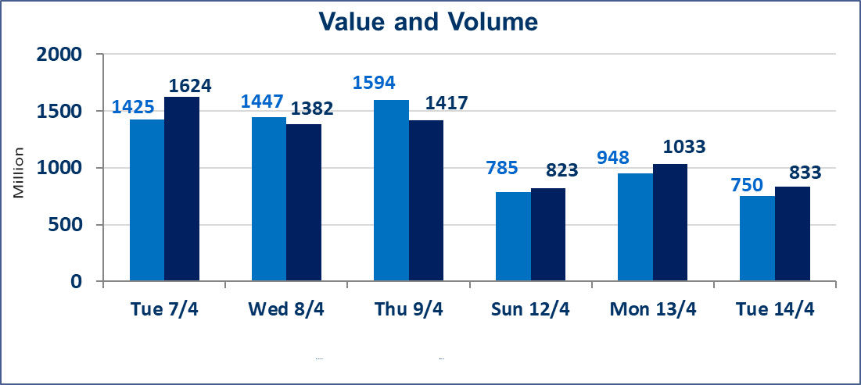
 | ISX Index 60 |  |  | 978.59 | ISX Index 15 |  |  | 1271.92
 | Previous ISX Index60 |  |  | 976.61 | Previous ISX Index15 |  |  | 1265.34
 | Change % |  |  | 0.20 | Change % |  |  | 0.52
 | Change |  |  | 1.98 | Change |  |  | 6.58

 | Listed Companies | 104 | OTC | 14 | Non Traded listed | 39 | OTC | 13
 | Traded Listed Companies | 54 | OTC | 1 | Higher Companies |  |  | 14
 | GAM Companies |  |  | 3 | Lower Companies |  |  | 11
 | Suspended Companies |  |  | 8
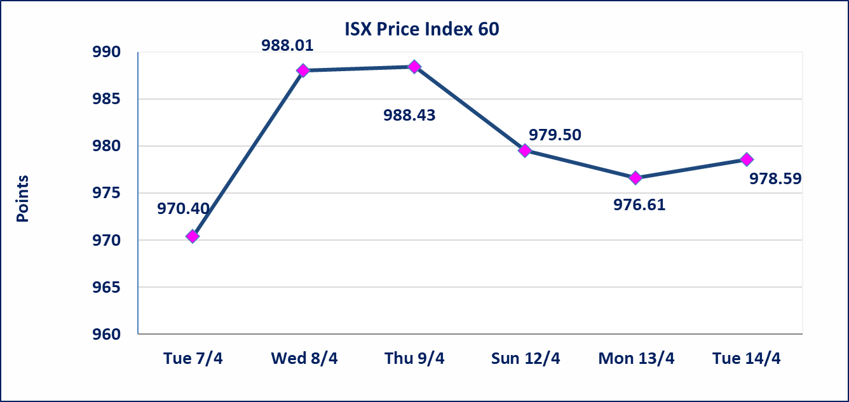
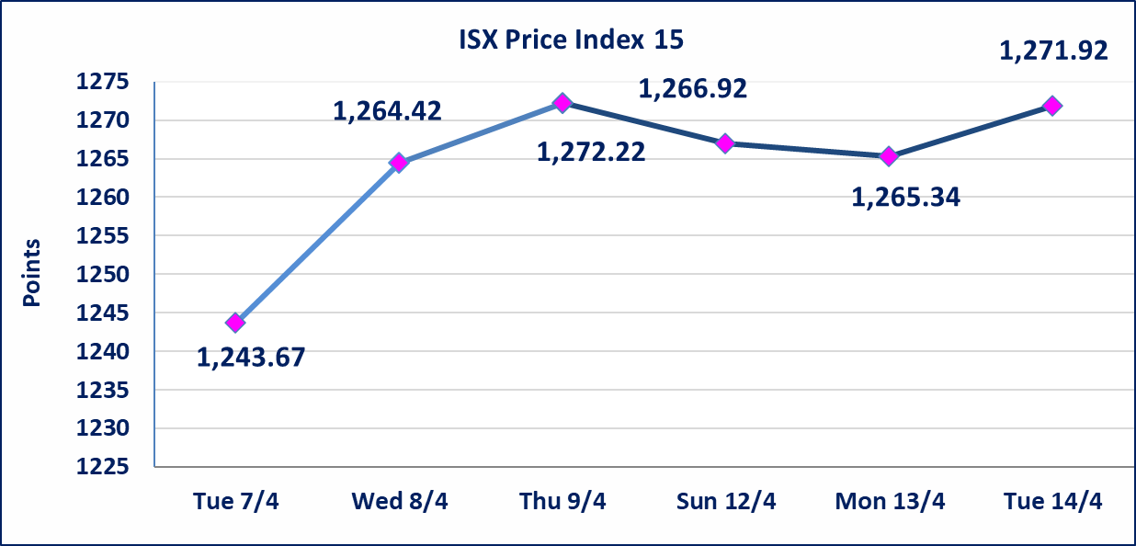

Al-Alwiya P.O . 3607 Mobile: 07711211522 - 07270094594 - 07834000034 E-mail: info-isx@isx-iq.net Web site:www.isx-iq.net

Top 5
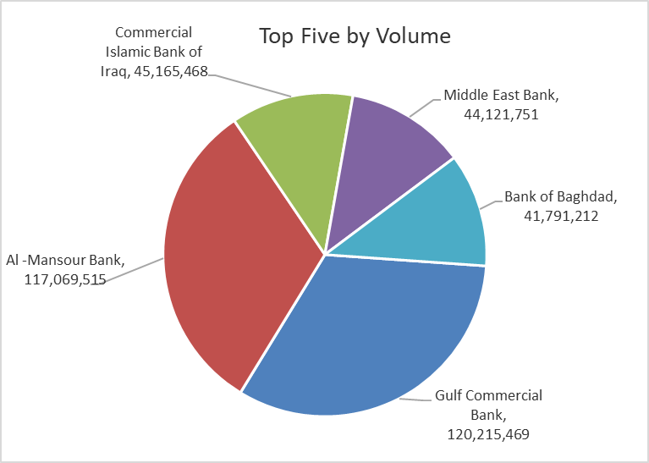
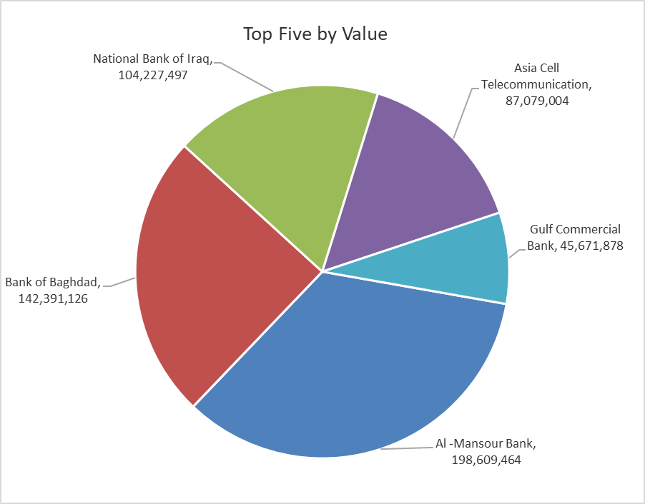

ISX top ganing and losing companies
Tuesday 14/4/2026
 | Gainers |  |  |  | Losers
 | Company Name | Closing Price | Change (%) | Traded Volume | Company Name | Closing Price | Change (%) | Traded Volume
 | Middle East Bank | 0.090 | 12.50 | 44,121,751 | Al-Hamraa for Insurance | 4.840 | -4.91 | 119,145
 | AL-Badia for General Trans | 1.050 | 5.00 | 36,060,000 | Al-Hilal Industries | 1.400 | -4.11 | 4,001,000
 | Babil Animal & Vegetable Production | 8.080 | 4.94 | 566,403 | Fallujah for construction Materials | 2.700 | -2.88 | 241,000
 | Ashour Hotel | 30.750 | 4.91 | 2,557 | Al-Ameen Estate Investment | 1.800 | -2.70 | 40,373
 | National Islamic Bank | 0.940 | 3.30 | 101,274 | Metallic Industries and Bicycles | 1.900 | -2.56 | 25,344
 | The most active companies in term of traded volume and value

 | Traded Volume |  |  |  | Traded Value
 | Company Name | Closing Price | Change (%) | Traded Volume | Company Name | Closing Price | Change (%) | Traded Value
 | Gulf Commercial Bank | 0.380 | 0.00 | 120,215,469 | Al -Mansour Bank | 1.700 | 0.00 | 198,609,464
 | Al -Mansour Bank | 1.700 | 0.00 | 117,069,515 | Bank of Baghdad | 3.420 | 0.59 | 142,391,126
 | Commercial Islamic Bank of Iraq | 0.670 | 1.52 | 45,165,468 | National Bank of Iraq | 5.100 | 0.39 | 104,227,497
 | Middle East Bank | 0.090 | 12.50 | 44,121,751 | Asia Cell Telecommunication | 16.000 | 1.46 | 87,079,004
 | Bank of Baghdad | 3.420 | 0.59 | 41,791,212 | Gulf Commercial Bank | 0.380 | 0.00 | 45,671,878

Non Iraqi

Iraq Stock Exchange
Non Iraqis' Bulletin Tuesday April 14 2026
Regular Market

Non Iraqi Trading of Regular Market (Sell)
Company Names | Code | No.of trades | Traded Shares | Trading Volume
Banks Sector
National Bank Of Iraq | BNOI | 33 | 8,628,040 | 44,003,004
Total Bank sector |  | 33 | 8,628,040 | 44,003,004
Industry Sector
Baghdad Soft Drinks | IBSD | 8 | 1,967,106 | 11,832,636
Total Industry sector |  | 8 | 1,967,106 | 11,832,636
Grand Total |  | 41 | 10,595,146 | 55,835,640

Not Trading Bonds

Iraq Stock Exchange
Tuesday 14/4/2026
Not Trading Bonds Bulletin
Bond type | Publish type | Code | last trading price | immortilize date
Banaa Bonds /Million ID | Second | CB20 | 964,981 | 19/12/2025
Eamar Bonds /Million ID | First | CB30 | 1,001,095 | ــــــــــــــــ
Eamar Bonds /Million ID | Second | CB40 | ــــــــــــــــ | ــــــــــــــــ
Eamar Bonds /500 Thousand ID | Third | CB45 | ــــــــــــــــ | ــــــــــــــــ
Eamar Bonds /Million ID | Third | CB50 | ــــــــــــــــ | ــــــــــــــــ
Injaz Bonds /500 Thousand ID | First | CB55 | ــــــــــــــــ | ــــــــــــــــ
Injaz Bonds /Million ID | First | CB60 | ــــــــــــــــ | ــــــــــــــــ
Injaz Bonds /500 Thousand ID | Second | CB65 | 507,301 | ــــــــــــــــ
Injaz Bonds /Million ID | Second | CB70 | 965,050 | ــــــــــــــــ
Injaz Bonds /500 Thousand ID | Third | CB75 | ــــــــــــــــ | ــــــــــــــــ
Injaz Bonds /Million ID | Third | CB80 | 978,182 | ــــــــــــــــ
National Bonds/Million ID | First | CB90 | ــــــــــــــــ | ــــــــــــــــ
National Bonds/500 Thousand ID | Second | CB95 | ــــــــــــــــ | ــــــــــــــــ
National Bonds/Million ID | Second | CB100 | ــــــــــــــــ | ــــــــــــــــ

